Instructions
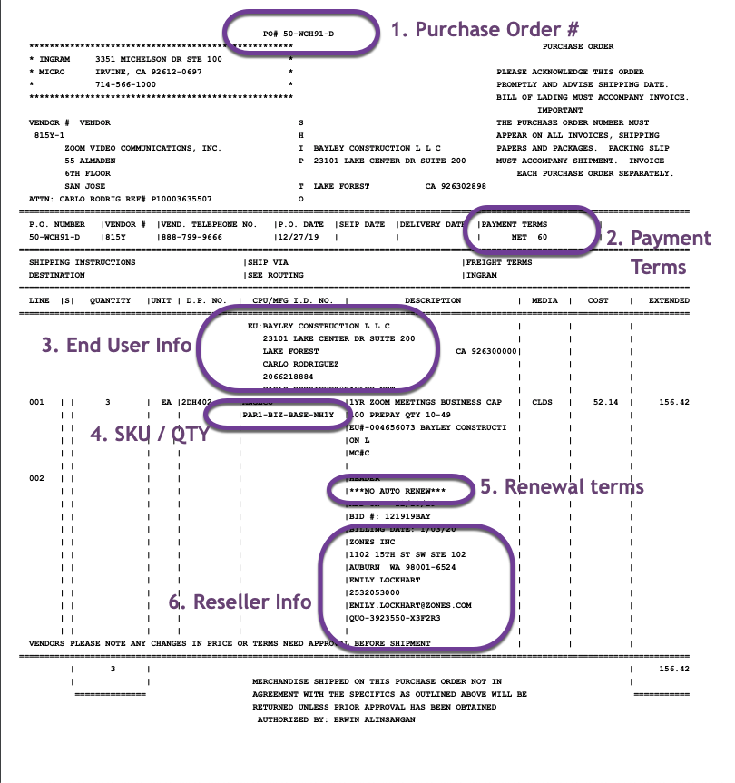
Georgia Technology Authority
GTA Direct - Network Services RFP # 98000-00000-4666
Company Name: Zoom Video Communications
Service Catalog
Category: Unified Communications

Instructions For GTA Eligible Customer Channels:
For Owner and Admin, User and Participant Support visit https://support.zoom.us/hc/en-us. Available Resources include: Live Training, Video Tutorials, Getting Started, Audio, Video and Screen Sharing, Meetings and Webinars, Zoom Phone, Account and Admin, Zoom Rooms, H.323/SIP, Messaging, Integration, On-Premise, Zoom Cloud Status and Contact Support. Support Hours are 24.7, including public holidays, where agents or technical engineers are available for web, chat and phone support. When a support ticket is initiated with Zoom's technical support team, it will be classified according to Priority Levels.
To receive a Quote, please provide your Zoom Account Executive with the following information: New Order or Existing Order, Amended Existing Subscription or Renewal Existing Subscription, Customer Admin Email, Customer Account Billing Detail including Name, Payment Method, Payment Term, Subscription Details, Pricing Plan (recurring monthly payment, annual payment monthly billing, annual payment paid upfront, etc.), and the Product Details.
Zoom acknowledges receipt of the Purchase Order via an email to the Customer with the Quote attached. This provides evidence that Zoom informed the Customer. The Zoom Order Form and any other Order Forms that reference orders are governed by the Terms and Conditions of the GTA Direct Network Services Master Subscription Agreement/Contract. Zoom's Order Desk will check for the Purchase Order with Zoom's Quote Number referenced. If any discrepancies between the PO and the Quote (prices, services, rate plans, subscription term, payment terms), the Order Desk will not accept the Order until the Order has been corrected.
Purchase Orders must contain the following information: PO Number, Payment Terms, Order Date (PO's older than 30 days will not be accepted), End Customer Information including Name, Admin Email Contact, Address. If you are placing an order through a Zoom Reseller or Distributor, this information must also be included: Reseller Name, Contact Name, Phone and Email, Reseller Address. Products and Quantities should be included and listed exactly as they appear on your quote. Under this contract, auto-renewal is not available. Signed Zoom Quotes may also be submitted as the order form in lieu of a Purchase Order.

